Issue List
 | Recorded by Depot User |  |  |  |  |  | Updated by DMS Support
Issue ID | Process Category | Process Name | Feature | Issue Description | Report Date | Report by | Priority | Module | Issue Nature | Remarks | Fix Schedule | Status
1 | Laden Storage | Laden Gate Out | Collect Payment on Spot | Can not trigger money for laden when gate out | 2021-06-17 | DMS Team | low | Billing | Defect |  |  | Planning
2 | General | General Operation | UI & ENV & Efficiency | No depot specified URL provided, still access testing under depotuat.oocllogistics.com | 2021-06-17 | DMS Team | high | Common | Not implemented Feature |  |  | Planning
3 | General | General Operation | UI & ENV & Efficiency | For external user to download EIR and Tax Invoice , no built menu but a direct URL, cannot remember | 2021-06-17 | DMS Team | medium | Common | Not implemented Feature |  |  | Planning
4 | Export/Import | Gate Out for Export | Create Gate In/Out | Although gate out type setup BL and container user as mandatory, no * on UI | 2021-06-17 | DMS Team | medium | Gate Operation | By current design | system will do mandatory check when complete such Gate Out Job |  | Discussing
5 | Export/Import | Gate In for Import | Create Gate In/Out | Manufature date is in YYYY/MM/DD format rather than YYYY/MM format | 2021-06-17 | DMS Team | low | Supporting Date | By current design |  |  | Not Yet planned
6 | Laden Storage | Laden Gate In | Carrier Profile | Actually for laden, container operation should be created as customer and no need to input container user. However, when creating carrier, notice carrier is a support list to be real carrier and only DMS IT admin can add. Has to use "No Carrier" to input as container operator and put actual customer in container user. With such implementation, no way to assign different yard location for different laden customer | 2021-06-17 | DMS Team | medium | Profile | By current design |  |  | Discussing
7 | General | General Operation | Tariff Setup | System does not support DP IN Payment | 2021-06-23 | DMS Team | medium | Tariff
8 | Export/Import | Gate In for Import | Download EIR (In) | Typo on header "EQUIPMEMT" at Invoice | 2021-06-23 | DMS Team | medium |  |  | It should be EQUIPMENT |  | DONE
9 | Export/Import | Gate In for Import | Tariff Setup | charge Item Washing Tariff not yet availabe | 2021-06-23 | DMS Team | High |  |  | Tariff washing have to added |  | DONE
10 | Export/Import | General Operation | Collect Payment for Credit | Report billing can't convert to xlsx | 2021-06-23 | DMS Team | high

12 | Export/Import | General Operation | Collect Payment on Spot | Already paid but still able to create payment e.g: UETU5703610 | 2021-06-23 | DMS Team | high |  |  | after payment can't create payment
13 | Export/Import | General Operation | Collect Payment on Spot | Haven't paid yet but can make a tax invoice | 2021-06-23 | DMS Team | high
14 | Export/Import | General Operation | Capture MNR | Register email for approval MNR | 2021-06-23 | DMS Team | medium
15 |  |  |  | Device recommendations for staking and operators | 2021-06-23 | DMS Team | medium
16 | Export/Import | General Operation | Capture MNR | Mnr complete still manually change AV container | 2021-06-23 | DMS Team | medium |  |  | every complete container should be automatic AV
17 | Export/Import | General Operation | Complete Gate In/Out | Container that has not been paid can print a letter of travel (EIR OUT) | 2021-06-23 | DMS Team | high |  |  | Cantainer Out should pay first to print EIR OUT
18 | Export/Import | Gate Out for Export | Lift On/Off | Mandatory field seal when export | 2021-06-23 | DMS Team | high
19 | Export/Import | Gate In for Import | Lift On/Off | Mandatory field rec. location | 2021-06-23 | DMS Team | high
20 | Export/Import | Gate In for Empty Reposition | Lift On/Off | The container must be DMed first to determine the container location (DI can't) | 2021-06-23 | DMS Team | medium |  |  | to generate container loc, available for each container status
21 | Export/Import | General Operation | Collect Payment on Spot | Print receipt single copy | 2021-06-23 | DMS Team | medium |  |  | Receipt double copy (*for customer and for finance)
22 | Export/Import | General Operation | Collect Payment on Spot | Payment report can't convert xlsx | 2021-06-23 | DMS Team | medium |  |  | Convert report payment to excel
23 | Export/Import | General Operation | Capture MNR | Container Status DI have to process by MNR first before that container out | 2021-06-23 | DMS Team | medium |  |  | Status container DI doesn' need to MNR
24 | Export/Import | Gate In for Empty Reposition | Create Gate In/Out | Enable surveyor for free use booking | 2021-06-24 | DMS Team | medium
25 | Export/Import | General Operation | Create Gate In/Out | Remove deskription status Cont Classification | 2021-06-24 | DMS Team | Low |  |  | container Classification only A,B,C,F
26 | Export/Import | General Operation | Capture MNR | Auto default from Responsible Party and Invoicee | 2021-06-24 | DMS Team | high |  |  | when input container demage it's should be responsible party and invoicee field automaticly selected
 |  |  |  | The remark column doesn't exist | 2021-06-24 | DMS Team | high |  |  | CS need that remark to print gate note with status OB/IMP/OH/FI
27 | General | General Operation | Tariff Setup | No MNR tariff details like when user type code XXXX then system automatically set component, location, manhour, and material price in MNR Job Order Creation | 2021-06-25 | DMS Team | High |  |  | MNR Tariff just set Manhour Price, we think mnr tariff set all the details like how many manhours that this damage should be completed and material used
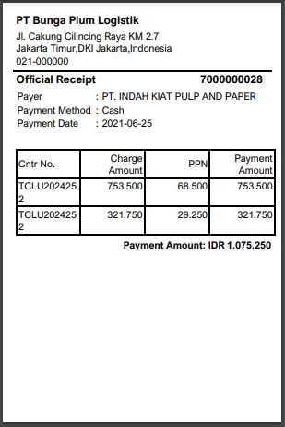
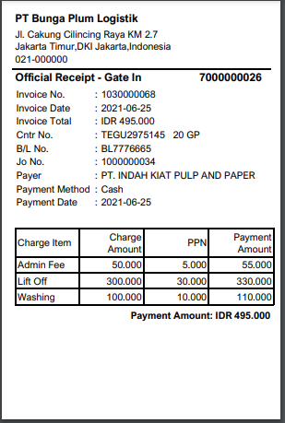
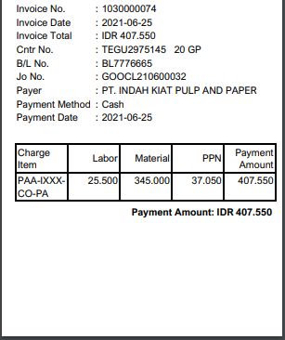
28 | Export/Import | Gate In for Import | Collect Payment on Spot | receipt must be detail and separated between Gate In and MNR when print batch | 2021-06-25 | DMS Team | High
29 | Export/Import | General Operation | Container Information Maintain | Cannot Change Shipper or Consignee or Container User in JO Gate In & Out before payment (No Input Field) | 2021-06-25 | DMS Team
30 | Export/Import | Gate Out for Export | Collect Payment on Spot | Admin Fee and Lift On Fee with same job order in different Invoice Number | 2021-06-25 | DMS Team

BEFORE

TOTAL Amount : IDR 902.550

AFTER

 |  |  |  |  |  |  |  |  |  | Need to changes Customer data when CS accidentally not input the right data

